Sheet1
A | B | C | D | E

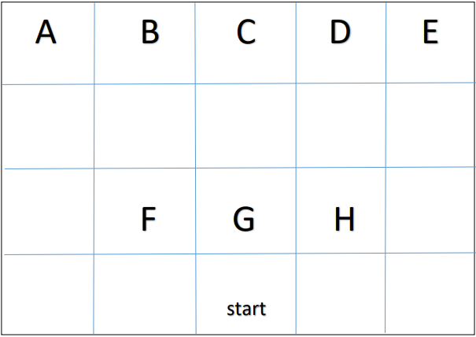

 | F | G | H

 |  | Start

